Excel Gantt Chart Template
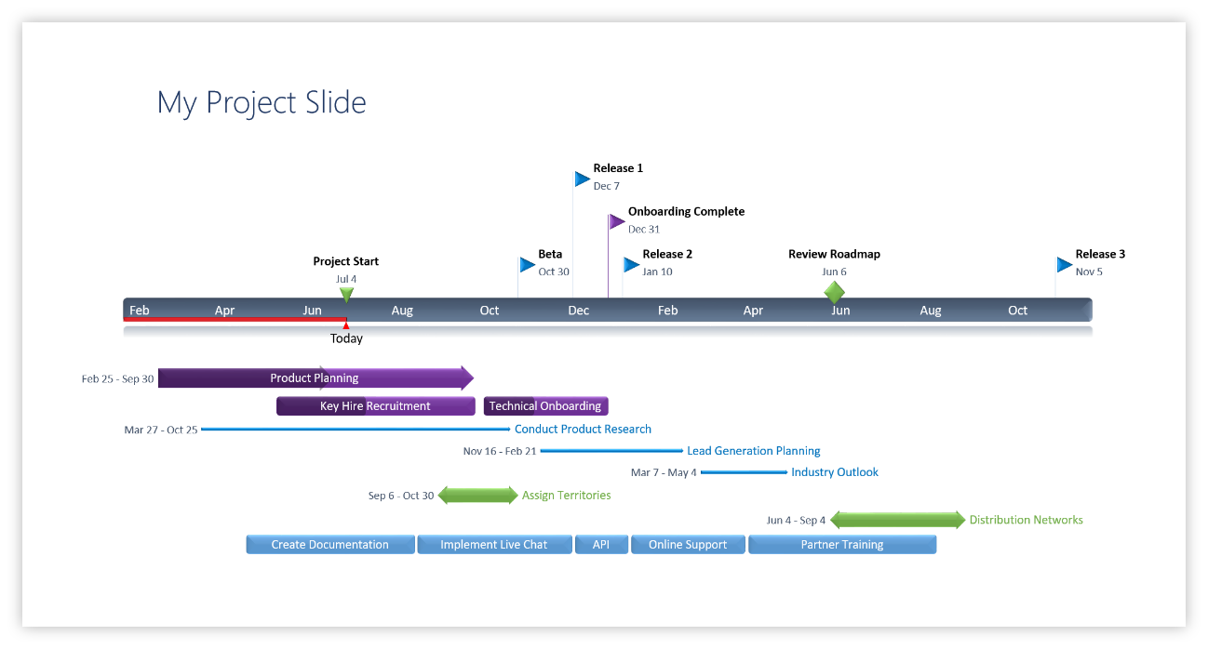
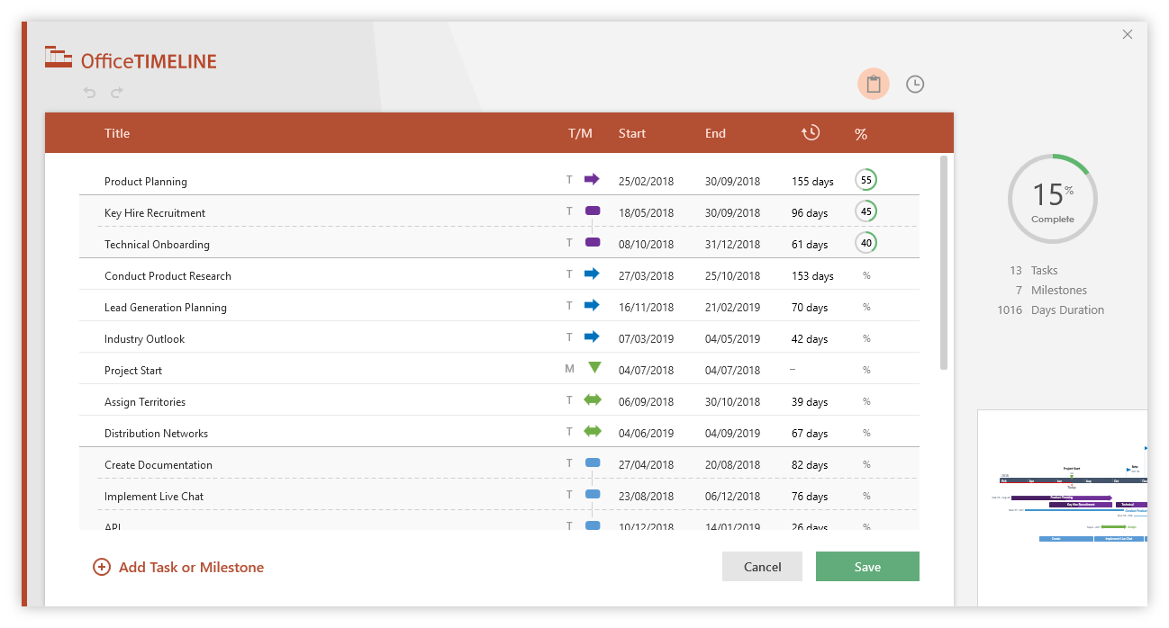
Excel Gantt Chart Template
 | START DATE | DURATION (days)
요구사항 추출(시나리오) | 4/2/19 | 5
요구사항 분석(UML) | 4/7/19 | 6
요구사항 명세(명세서) | 4/10/19 | 6
요구사항 검증 | 4/13/19 | 3
프로젝트 팀 구성 | 4/16/19 | 2
스케줄링(WBS) | 4/19/19 | 5
비용산정 | 4/19/19 | 11
일정 계획(Gantt) | 4/26/19 | 4
프로젝트 통제(EVM) | 4/27/19 | 51
서버 설계 | 4/30/19 | 14
알고리즘 설계 | 4/30/19 | 14
데이터 구조 설계 | 4/30/19 | 14
서버 개발(AWS) | 5/14/19 | 14
UI개발(안드로이드) | 5/14/19 | 7
기능 개발(Java) | 5/21/19 | 13
매뉴얼 개발 | 5/14/19 | 20
단위 테스트 | 6/4/19 | 3
통합 테스트 | 6/7/19 | 4
테스트 결과 보고서 | 6/4/19 | 7
유지보수 | 6/11/19 | 7
Enter Your Project Details Here |  |  | DURATION (days)
START DATE | END DATE | DESCRIPTION
4/2/19 | 4/7/19 | 요구사항 추출(시나리오) | 5
4/7/19 | 4/13/19 | 요구사항 분석(UML) | 6
4/10/19 | 4/16/19 | 요구사항 명세(명세서) | 6
4/13/19 | 4/16/19 | 요구사항 검증 | 3
4/16/19 | 4/18/19 | 프로젝트 팀 구성 | 2
4/19/19 | 4/24/19 | 스케줄링(WBS) | 5
4/19/19 | 4/30/19 | 비용산정 | 11
4/26/19 | 4/30/19 | 일정 계획(Gantt) | 4
4/27/19 | 6/18/19 | 프로젝트 통제(EVM) | 51
4/30/19 | 5/14/19 | 서버 설계 | 14
4/30/19 | 5/14/19 | UI 설계 | 14
4/30/19 | 5/14/19 | 알고리즘 설계 | 14
4/30/19 | 5/14/19 | 데이터 구조 설계 | 14
5/14/19 | 5/28/19 | 서버 개발(AWS) | 14
5/14/19 | 5/21/19 | UI개발(안드로이드) | 7
5/21/19 | 6/4/19 | 기능 개발(Java) | 13
5/14/19 | 6/4/19 | 매뉴얼 개발 | 20
6/4/19 | 6/7/19 | 단위 테스트 | 3
6/7/19 | 6/11/19 | 통합 테스트 | 4
6/4/19 | 6/11/19 | 테스트 결과 보고서 | 7
6/11/19 | 6/18/19 | 유지보수 | 7

Make impressive PowerPoint Gantt charts for important meetings. |  |  |  | Instantly turn Excel data into PowerPoint slides with the Office Timeline add-in for PowerPoint.

3 Easy steps to instantly turn Excel data into a PowerPoint slide
1. Download the Free Office Timeline plug-in for PowerPoint - 14-day Trial Edition.
2. Open PowerPoint and click on NEW Timeline from the Office Timeline tab inside of
PowerPoint. Copy your Excel table and paste it into Office Timeline with the PASTE button.
3. Click the green SAVE button to instantly produce a PowerPoint Gantt chart slide.
 |  |  |  | www.officetimeline.com

Excel Timeline Template
Excel Timeline Template

Enter Your Project Details Here
DATE | DESCRIPTION | POSITION
5/10/18 | Kick Off | 1
6/7/18 | Milestone 1 | 2
7/21/18 | Milestone 2 | 1
8/1/18 | Checkpoint A | 4
9/20/18 | Milestone 3 | 3
10/30/18 | Milestone 4 | 2
12/20/18 | Checkpoint B | 3
1/30/19 | Milestone 5 | 4
2/10/19 | Milestone 6 | 1
3/30/19 | Milestone 7 | 2 |  | `
5/20/19 | Checkpoint C | 3
5/30/19 | Sign Off | 1

Make beautiful timelines in PowerPoint for important meetings. |  |  | Instantly turn Excel data into PowerPoint slides with the Office Timeline add-in for PowerPoint.

 |  |  | www.officetimeline.com
3 Easy steps to instantly turn Excel data into a PowerPoint slide
1. Download the Free Office Timeline plug-in for PowerPoint - 14-day Free Trial.
2. Open PowerPoint and click on NEW Timeline from the Office Timeline tab inside of PowerPoint.
Copy your Excel table and paste it into Office Timeline with the PASTE button.
3. Click the green SAVE button to instantly produce your timeline slide.

 |  | https://www.officetimeline.com/download

